Intro
MfE Measuring Emissions: A guide for organisations – 2022
Emission Factor Workbook Using Data and Methods from the 2020 Calendar Year

Introduction to emission factors and how to use the worksheets

How to use the Emission Factor Workbook
These emission factors can be used to calculate an organisational greenhouse gas footprint. The emission factors are applied to activity data which is specified in various units. In order to appropriately apply the emission factors you must collect the relevant data in the unit specified and then calculate your emissions using the following equation: E = (Q × F) Where: E = emissions from the emissions source in kg CO2-e (per year) Q = activity data (eg, quantity of fuel used) F = emission factor for emissions source. This formula applies to both the calculation of CO2-e emissions and individual carbon dioxide, methane and nitrous oxide emissions, with the appropriate emission factors applied for F. The preferred form of data is in the units expressed in the emission factor tables, which results in the most accurate emission calculation. If the data cannot be collected in this unit, then appropriate conversion factors should be used. Example calculations can also be found in the Case Study Example Inventory Report and Case Study Example Workbook.
Emission factors
Emission factors are provided in kgCO2-e and where possible the breakdown by carbon dioxide (CO2), methane (CH4) and nitrous oxide (N2O, in carbon dioxide equivalent, CO2-e) has also been provided. Emission factors are provided for these gases per unit as specified in the tables, for example:

 | Emission source |  |  | Unit | kg CO2-e/unit | kg CO2/unit | kg CH4 (kg CO2-e)/unit | kg N2O (kg CO2-e)/unit
 | Regular Petrol |  |  | Litre | 2.453 | 2.346 | 0.0276 | 0.0797

 |  |  |  |  |  |  |  | These numbers are the emission factors for data in litres.
This is in line with the reporting requirements of ISO 14064-1 and the GHG Protocol, which ask for separate calculation of CO2, CH4 and N2O, as well as the total CO2-e.

Global Warming Potentials
All emission factors in the guide are expressed in units of carbon dioxide equivalent (CO2-e); this is in line with The GHG Protocol. The Global Warming Potentials (GWPs) used are those from the IPCC, 2007, Fourth Assessment Report. The use of these values are in line with the United Nations Framework Convention on Climate Change (UNFCCC), to which the New Zealand National Inventory Report is submitted.
Greenhouse Gas | CO2 | CH4 | N2O
Global Warming Potentials | 1 | 25 | 298

Guidance Suite of documents
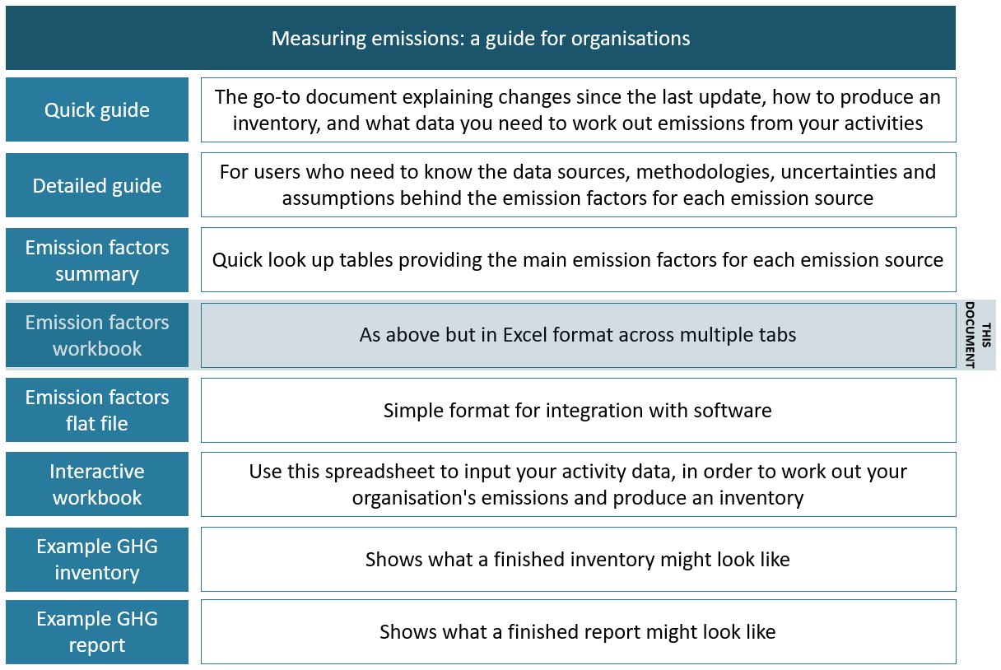 This Workbook is part of a suite of documents that comprise the 2022 Measuring Emissions guidance, as outlined in figure 1 below. Figure 1: Documents in Measuring Emissions: A Guide for Organisations

