Intro
Ministry for the Environment Measuring Emissions Guidance 2023 - Interactive Workbook

Introduction to emission factors and how to use the worksheets

How to use the worksheets
Complete the worksheets by inputting information that is relevant to your organisation. The colomns labelled "Your Input" is where you are required to put your data, in the units specified in column "unit" in order for the calculations to work properly.
Key
 | Cells requiring data to be input in the units specified
 | Cells containing a formula
Reporting requirements of ISO 14064-1 and The GHG Protocol
In line with the reporting requirements of ISO 14064-1, ISAE (NZ) 3410, and the GHG Protocol, emission factors are provided to allow separate calculation of carbon dioxide (CO2), methane (CH4) and nitrous oxide (N2O), as well as the total CO2 equivalent.

Global Warming Potentials
All emission factors in the guide are expressed in units of carbon dioxide equivalent (CO2-e), this is in line with The GHG Protocol. The Global Warming Potentials (GWPs) used are those from the IPCC, 2006, Fourth Assessment Report. The use of these values are in line with the United Nations Framework Convention on Climate Change (UNFCCC), to which the New Zealand National Inventory Report is submitted.
Greenhouse Gas | CO2 | CH4 | N2O
Global Warming Potentials | 1 | 25 | 298

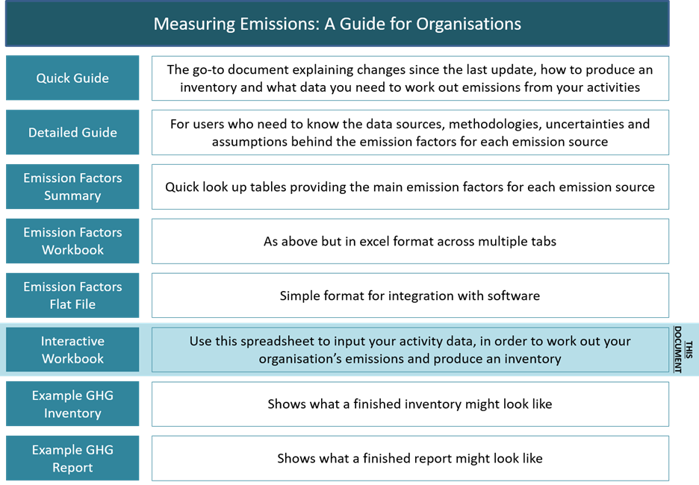 This Workbook is part of a suite of documents that comprise the Measuring Emissions Guidance – 2022, as outlined in figure 1 below. Figure 1: Documents in Measuring Emissions: A Guide for Organisations

Key changes from previous publication
Updated Emissions Factors published in this version for the following:
Converted emission factors from AR4 GWP100 to AR5 GWP100
Fuel - updated to align with 2023 National greenhouse gas inventory
Purchased Energy, heat and steam - addition of emission factor for 2022 calendar year
Transmission & Distribution Losses - addition of emission factor for 2022 calendar year
Travel - updated Taxi emission factors to reflect the change in fleet
Waste and wastewater - new emission factors of waste wood to landfill, updated to align with 2023 National greenhouse gas inventory
Agriculture, forestry and other land use - updated to align with 2023 National greenhouse gas inventory
Inclusion of guidance on spend-based emission factors.

