Travel
Chief Executive Expense Disclosure
Organisation Name | Ministry for the Environment
Chief Executive | Sam Buckle
Disclosure period | 1 March 2026 to 30 June 2026
Chief Executive Approval
CFO Approval | Melissa Brown

International, domestic and local travel expenses
All expenses incurred by CE during international, domestic and local travel. For international travel, group expenses relating to each trip.
International Travel (including travel within NZ at beginning and end of overseas trip)** |  |  |  | Location/s
Date(s) | Cost (NZ$) (exc GST)*** | Purpose of trip (eg attending XYZ conference for 3 days)**** | Nature (eg hotel, airfares, taxis, meals & for how many people, other costs) |  | Period | natural account# | IN GL Y/N

Sub total | 0.00
Domestic Travel
Date(s) | Cost ($) (exc GST)*** | Purpose (eg visiting district office for two days...) **** | Nature (eg hotel, airfare, meals & for how many people, other costs) | Location | Period | natural account# | IN GL Y/N
2026-03-25 | 204.35 | DUNEDIN STAFF VISIT | Hotel-Accommodation-Hotel St Cla | Dunedin | 10 | 3810 | Y
2026-03-24 | 242.61 | REGIONAL OFFICE VISITS | Hotel-Accommodation-NSN Quest Nelson | Nelson | 11 | 3810 | Y
2026-03-26 | 244.35 | HS COURSE | Hotel-Accommodation-CHC Distinction | Christchurch | 11 | 3810 | Y
2026-03-24 | 50.00 | REGIONAL OFFICE VISITS | Ticket Issue Service Fee - Tandem | Auckland | 12 | 3820 | Y
2026-03-24 | 0.95 | REGIONAL OFFICE VISITS | Ticket Issue Service Fee - Tandem | Nelson | 12 | 3820 | Y
2026-03-24 | 50.15 | REGIONAL OFFICE VISITS | Fuel | Nelson | 12 | 3820 | Y
2026-03-25 | 203.48 | REGIONAL OFFICE VISITS | Flight- WLG-NSN | Nelson | 10 | 3850 | Y
2026-03-26 | 365.23 | HEALTH AND SAFETY COURSE | Flight - NZ/CHC/WLG | Christchurch | 8 | 3850 | Y
2026-03-25 | 119.77 | REGIONAL OFFICE VISITS | Flight - NZ/NSN/CHC/DUD/CHC | Nelson | 8 | 3850 | Y
2026-02-19 | 664.91 | REGIONAL OFFICE VISITS | Flight - NZ/WLG/AKL/NSN | Nelson | 8 | 3850 | Y
2026-03-24 | -272.70 | REGIONAL OFFICE VISITS | Flight - NZ/AKL/NSN | Nelson | 9 | 3850 | Y
2026-03-25 | 718.36 | REGIONAL OFFICE VISITS | Flight - NZ/NSN/CHC/DUD/CHC | Dunedin | 9 | 3850 | Y
2026-03-24 | 417.56 | REGIONAL OFFICE VISITS | Flight - NZ/HLZ/WLG | Christchurch | 5 | 3850 | Y
2026-06-23 | 649.48 | CHC office visit & EDS CONFERECE IN AKL | Flight - Z/WLG/CHC/AKL/WLG | Christchurch | 12 | 3850 | Y
2026-03-24 | 63.41 | REGIONAL OFFICE VISITS | Rental Car- Avis 24/3/26 | Nelson | 12 | 3860 | Y
2026-03-25 | 7.00 | REGIONAL OFFICE VISITS | Ticket Issue Service Fee - Tandem | Dunedin | 10 | 3870 | Y
2026-03-25 | 15.00 | REGIONAL OFFICE VISITS | Ticket Issue Service Fee - Tandem | Dunedin | 10 | 3870 | Y
2026-03-24 | 15.00 | REGIONAL OFFICE VISITS | Ticket Issue Service Fee - Tandem | Nelson | 10 | 3870 | Y
2026-03-25 | 34.00 | REGIONAL OFFICE VISITS | Ticket Issue Service Fee - Tandem | Dunedin | 10 | 3870 | Y
2026-03-25 | 15.00 | REGIONAL OFFICE VISITS | Ticket Issue Service Fee - Tandem | Dunedin | 10 | 3870 | Y
2026-03-24 | 15.00 | REGIONAL OFFICE VISITS | Ticket Issue Service Fee - Tandem | Nelson | 10 | 3870 | Y
2026-03-25 | 3.00 | REGIONAL OFFICE VISITS | Ticket Issue Service Fee - Tandem | Dunedin | 10 | 3870 | Y
2026-03-26 | 3.00 | REGIONAL OFFICE VISITS | Ticket Issue Service Fee - Tandem | Christchurch | 10 | 3870 | Y
2026-03-24 | 3.00 | REGIONAL OFFICE VISITS | Ticket Issue Service Fee - Tandem | Nelson | 10 | 3870 | Y
2026-03-24 | 3.00 | REGIONAL OFFICE VISITS | Ticket Issue Service Fee - Tandem | Nelson | 10 | 3870 | Y
2026-03-25 | 3.00 | REGIONAL OFFICE VISITS | Ticket Issue Service Fee - Tandem | Dunedin | 10 | 3870 | Y
2026-03-24 | 3.00 | REGIONAL OFFICE VISITS | Ticket Issue Service Fee - Tandem | Nelson | 10 | 3870 | Y
2026-03-23 | 25.00 | REGIONAL OFFICE VISITS | Ticket Issue Service Fee - Tandem | Christchurch | 10 | 3870 | Y
2026-03-23 | 3.00 | REGIONAL OFFICE VISITS | Ticket Issue Service Fee - Tandem | Christchurch | 10 | 3870 | Y
2026-03-25 | 22.00 | REGIONAL OFFICE VISITS | Ticket Issue Service Fee - Tandem | Dunedin | 10 | 3870 | Y
2026-03-25 | 22.00 | REGIONAL OFFICE VISITS | Ticket Issue Service Fee - Tandem | Dunedin | 10 | 3870 | Y
2026-03-26 | 34.00 | HS COURSE | Ticket Issue Service Fee - Tandem | Christchurch | 10 | 3870 | Y
2026-03-26 | 3.00 | HS COURSE | Ticket Issue Service Fee - Tandem | Christchurch | 10 | 3870 | Y
2026-03-24 | 7.00 | REGIONAL OFFICE VISITS | Ticket Issue Service Fee - Tandem | Nelson | 10 | 3870 | Y
2026-03-24 | 40.00 | REGIONAL OFFICE VISITS | Ticket Issue Service Fee - Tandem | Nelson | 11 | 3870 | Y
2026-03-26 | 7.00 | HS COURSE | Ticket Issue Service Fee - Tandem | Christchurch | 11 | 3870 | Y
2026-03-24 | 40.00 | REGIONAL OFFICE VISITS | Ticket Issue Service Fee - Tandem | Nelson | 11 | 3870 | Y
2026-03-24 | 25.00 | REGIONAL OFFICE VISITS | Ticket Issue Service Fee - Tandem | Nelson | 11 | 3870 | Y
2026-03-24 | 7.00 | REGIONAL OFFICE VISITS | Ticket Issue Service Fee - Tandem | Nelson | 11 | 3870 | Y
2026-06-23 | 3.00 | REGIONAL OFFICE VISITS | Ticket Issue Service Fee - Tandem | Nelson | 12 | 3870 | Y
2026-03-24 | 36.09 | REGIONAL OFFICE VISITS | M/card - Wellington combined Taxis | Wellington | 10 | 3330 | Y
2026-03-24 | 42.34 | REGIONAL OFFICE VISITS | M/Card - WLG Taxi Ltd Newtown-airport to office to prep for Minister meeting (following regional visits) | Wellington | 10 | 3330 | Y
2026-03-25 | 21.31 | REGIONAL OFFICE VISITS | M/Card - coffee with Regional staff in Nelson-SMZ Victus coffee Andb Nelson | Nelson | 10 | 3820 | Y
2026-03-25 | 87.83 | REGIONAL OFFICE VISITS | M/card - Dunedin Taxis-visiting Regional staff in Dunedin | Dunedin | 10 | 3330 | Y
2026-03-25 | 34.78 | REGIONAL OFFICE VISITS | M/Card - Nelson City Taxi-Taxi visiting regional staff in Nelson | Nelson | 10 | 3330 | Y
2026-03-25 | 38.78 | REGIONAL OFFICE VISITS | M/Card - Nelson City Taxi - visiting regional staff in Nelson | Nelson | 10 | 3330 | Y
2026-03-25 | 35.91 | REGIONAL OFFICE VISITS | M/Card- -Wellington combined Taxis-o airport for regional visits | Wellington | 10 | 3330 | Y
2026-03-26 | 55.74 | REGIONAL OFFICE VISITS | M/Card - Blue Star Taxis CHC - visiting regional staff in CHC | Christchurch | 10 | 3330 | Y
2026-03-26 | 43.91 | REGIONAL OFFICE VISITS | M/Card - Taxi home from WLG airport following regional visits - Hutt and City Taxis Lower Hutt | Wellington | 10 | 3330 | Y
2026-06-24 | 24.23 | EDS CONFERENCE | M/Card - BurgerFuel Customs St-Auckland | Auckland | 12 | 3820 | N
24.06/2026 | 40.23 | EDS CONFERENCE | M/Card - WOOLWORTHS NZ 9283-AUCKLANDMETRO | Auckland | 12 | 3820 | N
2026-06-23 | 92.26 | EDS CONFERENCE | M/Card - Taxi - Auckland Co-Op Taxis | Auckland | 12 | 3330 | N
2026-06-23 | 51.74 | EDS CONFERENCE | M/Card - Taxi-Blue Star Taxis | Auckland | 12 | 3330 | N
2026-06-23 | 36.61 | EDS CONFERENCE | M/Card - Taxi Wellington Combined | Auckland | 12 | 3330 | N
2026-06-25 | 16.70 | EDS CONFERENCE | M/Card - Taxi-SMZ | Auckland | 12 | 3330 | N
2026-06-25 | 5.39 | EDS CONFERENCE | M/Card - Melba Victoria St-Auckland Scone | Auckland | 12 | 3820 | N
2026-06-24 | 19.96 | EDS CONFERENCE | M/Card - RIGHT TRACK SPORTS C-AUCKLAND Breakfast | Auckland | 12 | 3820 | N
2026-06-24 | 22.62 | EDS CONFERENCE | M/Card - RIGHT TRACK SPORTS C-AUCKLAND Dinner Chicken Burger | Auckland | 12 | 3820 | N
2026-06-25 | 84.78 | EDS CONFERENCE | M/Card - Taxi - Auckland Co-Op Taxis | Auckland | 12 | 3330 | N
2026-06-26 | 41.27 | EDS CONFERENCE | M/Card - Taxi - Urban Link | Auckland | 12 | 3330 | N

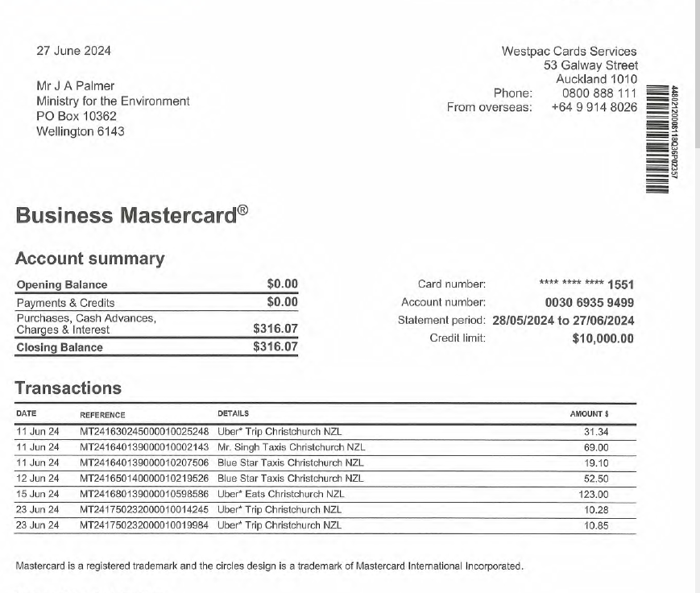
Subtotal | 4,911.39
Local Travel (within City, excluding travel to airport)
Date | Cost ($) (exc GST / inc GST)*** | Purpose (eg meeting with Minister) **** | Nature (eg taxi, parking, bus) |  | Period | natural account#

Sub total | 0.00

Total travel expenses | 4,911.39

Notes
* Headings on following tabs will pre populate with what you enter on this tab
** Group expenditure relating to each overseas trip
*** Delete what's inapplicable. Be consistent - all GST exclusive or all GST inclusive
**** Please include sufficient information to explain the trip and its costs including destination and duration.
Sub totals and totals will appear automatically once you put information in rows above.
Mark clearly if there is no information to disclose.

