Travel
Chief Executive Expense Disclosure
Organisation Name | Ministry for the Environment
Chief Executive | James Palmer
Disclosure period | 1 July 2025 to 28 February 2026
Chief Executive Approval |  | James Palmer
CFO Approval | Melissa Brown

International, domestic and local travel expenses
All expenses incurred by CE during international, domestic and local travel. For international travel, group expenses relating to each trip.
International Travel (including travel within NZ at beginning and end of overseas trip)** |  |  |  | Location/s
Date(s) | Cost (NZ$) (exc GST)*** | Purpose of trip (eg attending XYZ conference for 3 days)**** | Nature (eg hotel, airfares, taxis, meals & for how many people, other costs) |  | Period | natural account# | IN GL Y/N
2025-09-29 | 5,680.99 | WP Stakeholder Engagement | Flight - NZ/NPE/CHC/SIN/AKL/NPE | Singapore | 9 | 3750 | Y
2025-09-29 | 2,442.44 | WP Stakeholder Engagement | Hotel - Accommodation 29/9/25 | Singapore | 5 | 3710 | Y
2025-09-30 | 58.47 | WP Stakeholder Engagement | Taxi - Singapore 30/09/25 | Singapore | 4 | 3720 | Y
2025-10-01 | 22.74 | WP Stakeholder Engagement | Taxi - Singapore 01/10/255 | Singapore | 4 | 3720 | Y
2025-10-03 | 19.82 | WP Stakeholder Engagement | Meal - Singapore 3/10/255 | Singapore | 4 | 3720 | Y
2025-10-03 | 69.85 | WP Stakeholder Engagement | Taxi - Singapore 3/10/25 | Singapore | 4 | 3720 | Y
2025-10-03 | 32.17 | WP Stakeholder Engagement | Taxi - Hasting 3/10/25 | Napier | 4 | 3720 | Y
2025-09-29 | 140.00 | WP STKHLDR ENGAGMNT | Ticket Issue Service Fee - Tandem | Singapore | 4 | 3720
2025-09-29 | 45.00 | WP STKHLDR ENGAGMNT | Ticket Issue Service Fee - Tandem | Singapore | 4 | 3720
2025-09-29 | 50.00 | WP STKHLDR ENGAGMNT | Ticket Issue Service Fee - Tandem | Singapore | 4 | 3720
2025-09-29 | 140.00 | WP STKHLDR ENGAGMNT | Ticket Issue Service Fee - Tandem | Singapore | 4 | 3720
2025-09-29 | 7.00 | WP STKHLDR ENGAGMNT | Ticket Issue Service Fee - Tandem | Singapore | 4 | 3720
Date(s) | Cost ($) (exc GST)*** | Purpose (eg visiting district office for two days...) **** | Nature (eg hotel, airfare, meals & for how many people, other costs) | Location | Period | natural account#
 |  |  |  |  | 2 | 3330 | Y
2025-06-27 | 106.52 | SPEAKER AT NICF, ORAKEI MARAE | Taxi - M/Card July25-AKL Taxi | Auckland | 2 | 3330 | Y
2025-05-13 | 191.44 | EDS CONFERECE | Hotel - accommodation AKLD Grand Millenium | Auckland | 2 | 3330 | Y
2025-05-13 | 7.00 | CHIEF EXEC EDS CONFERENCE | Ticket Issue Service Fee - Tandem | Auckland | 2 | 3330 | Y
2025-06-27 | 121.74 | SPEAKER AT NICF, ORAKEI MARAE | Taxi - M/Card July25-AKL Taxi | Auckland | 2 | 3330 | Y
2025-06-27 | 22.00 | NICF | Ticket Issue Service Fee - Tandem | Auckland | 3 | 3330 | Y
2025-07-02 | 21.73 | ACCOMPANIED Sir Brian Roche TO NPL TO VISIT MAYORS | Uber - M/Card July25 | New Plymouth | 3 | 3330 | Y
2025-07-02 | 472.11 | ACCOMPANIED SIR BRIAN ROCHE TO NPL TO VISIT MAYORS | Flight - NZ/WLG/NPL/AKL/NPE | New Plymouth | 7 | 3330 | Y
2025-07-02 | 22.00 | CHIEF EXEC BRIAN ROCHE | Ticket Issue Service Fee - Tandem | New Plymouth | 7 | 3330 | Y
2025-07-02 | 22.00 | CHIEF EXEC BRIAN ROCHE | Ticket Issue Service Fee - Tandem | New Plymouth | 8 | 3330 | Y
2025-07-16 | 276.66 | LGNZ CONFERENCE | Flight - NZ/WLG/CHC | Christchurch | 8 | 3330 | Y
2025-07-16 | 191.73 | Attend LGNZ Super Coal | Flight - NZ/NPE/CHC/WLG/NPE | Christchurch | 8 | 3330 | Y
2025-07-16 | -161.91 | Attend LGNZ Super Coal | Tandem - Other (Refund) | Christchurch | 8 | 3330 | Y
2025-07-16 | 3.00 | CHIEF EXEC LGNZ | Ticket Issue Service Fee - Tandem | Christchurch | 8 | 3330 | Y
2025-07-16 | 22.00 | CHIEF EXEC LGNZ SUPERLOCAL | Ticket Issue Service Fee - Tandem | Christchurch | 8 | 3330 | Y
2025-07-16 | 25.00 | CHIEF EXEC LGNZ SUPERLOCAL | Ticket Issue Service Fee - Tandem | Christchurch | 9 | 3330 | Y
2025-08-05 | 88.78 | ATTEND MOBILISE FOR NATURE PROGRAMME WITH DoC | Uber- M/Card August25-AKLD Taxi | Auckland | 9 | 3330 | Y
2025-08-05 | 155.74 | ATTEND MOBILISE FOR NATURE PROGRAMME WITH DoC | Hotel - accommodation AKLD Quest | Auckland | 5 | 3330 | Y
2025-08-05 | 276.66 | ATTEND MOBILISE FOR NATURE PROGRAMME WITH DoC | Flight - NZ/WLG/AKL/WLG | Auckland | 5 | 3330 | Y
2025-08-05 | 176.29 | ATTEND MOBILISE FOR NATURE PROGRAMME WITH DoC | Flight - NZ/WLG/AKL/WLG | Auckland | 5 | 3330 | Y
2025-08-05 | 7.00 | ATTEND MOBILISE FOR NATURE PROGRAMME WITH DoC | Ticket Issue Service Fee - Tandem | Auckland | 5 | 3330 | Y
2025-08-05 | 3.00 | ATTEND MOBILISE FOR NATURE PROGRAMME WITH DoC | Ticket Issue Service Fee - Tandem | Auckland | 5 | 3330 | Y
2025-08-05 | 22.00 | ATTEND MOBILISE FOR NATURE PROGRAMME WITH DoC | Ticket Issue Service Fee - Tandem | Auckland | 5 | 3330 | Y
2025-08-05 | 3.00 | ATTEND MOBILISE FOR NATURE PROGRAMME WITH DoC | Ticket Issue Service Fee - Tandem | Auckland | 5 | 3330 | Y
2025-08-06 | 61.00 | ATTEND MOBILISE FOR NATURE PROGRAMME WITH DoC | Uber - M/Card August25 | Auckland | 5 | 3330 | Y
2025-09-09 | 34.78 | ADAPATATION FUTURES | Meal - CHCH Fable | Auckland | 5 | 3330 | Y
2025-09-10 | 121.74 | ADAPATATION FUTURES | Taxi - M/Card Auckland CO-OP Taxis | Auckland | 6 | 3330 | Y
2025-10-13 | 44.61 | ADAPATATION FUTURES | Taxi - M/Card Blue Star Taxis | Christchurch | 8 | 3823 | Y
2025-10-13 | 56.70 | ADAPATATION FUTURES | Taxi - M/Card Gold Band Taxis | Christchurch | 8 | 3338 | Y
2025-10-13 | 525.78 | ADAPATATION FUTURES | Flight - NZ/NPE/CHC/NPE | Christchurch | 1 | 3810 | Y
2025-10-13 | 411.48 | ADAPATATION FUTURES | Flight - NZ/NPE/CHC/WLG/CHC/WLG | Christchurch | 4 | 3810 | Y
2025-10-13 | 65.74 | ADAPATATION FUTURES | Flight -NZ/CHC/WLG/CHC/WLG | Christchurch | 6 | 3810 | Y
2025-10-13 | 4.26 | ADAPATATION FUTURES | Flight -NZ/NPE/CHC/WLG/CHC/WLG | Christchurch | 9 | 3810 | Y
2025-10-13 | 3.00 | CHIEF EXEC ADAPTATIONCONFERENCE | Ticket Issue Service Fee - Tandem | Christchurch | 2 | 3820 | Y
2025-10-13 | 22.00 | CHIEF EXEC ADAPTATIONCONFERENCE | Ticket Issue Service Fee - Tandem | Christchurch | 5 | 3820 | Y
2025-10-13 | 22.00 | CHIEF EXEC ADAPTATIONCONFERENCE | Ticket Issue Service Fee - Tandem | Christchurch | 8 | 3820 | Y
2025-10-13 | 22.00 | CHIEF EXEC ADAPTATIONCONFERENCE | Ticket Issue Service Fee - Tandem | Christchurch | 1 | 3850 | Y
2025-10-14 | 44.61 | ADAPATATION FUTURES | Taxi - M/Card Blue Star Taxis | Christchurch | 2 | 3850 | Y
2025-10-14 | 250.44 | ADAPATATION FUTURES | Hotel - accommodation CHC Fable | Christchurch | 2 | 3850 | Y
2025-10-14 | 7.00 | CHIEF EXEC ADAPTATION FUTURES | Ticket Issue Service Fee - Tandem | Christchurch | 2 | 3850 | Y
2025-10-15 | 20.03 | ADAPATATION FUTURES | Uber-M/card Christchurch a/port pickup | Christchurch | 2 | 3850 | Y
2025-10-16 | 20.82 | ADAPATATION FUTURES | Uber - M/card | Christchurch | 3 | 3820
2025-11-06 | 113.04 | INZ | Taxi - M/Card Auckland CO-OP Taxis | Auckland | 4 | 3850 | Y
2025-11-06 | 82.61 | INZ | Taxi - M/Card Auckland CO-OP Taxis | Auckland | 4 | 3850 | Y
2025-11-06 | 28.03 | INZ | Uber - M/Card | Wellington | 5 | 3850 | Y
2025-11-06 | 536.86 | INZ | Flight -NZ/NPE/AKL/NPE | Wellington | 5 | 3850 | Y
2025-11-06 | 116.56 | INZ | Flight - NZ/WLG/AKL/NPE | Auckland | 5 | 3850 | Y
2025-11-06 | 3.00 | CHIEF EXEC INZ | Ticket Issue Service Fee - Tandem | Auckland | 5 | 3850 | Y
2025-11-06 | 22.00 | CHIEF EXEC INZ | Ticket Issue Service Fee - Tandem | Auckland | 6 | 3850 | Y
2025-11-06 | 22.00 | CHIEF EXEC INZ | Ticket Issue Service Fee - Tandem | Auckland | 6 | 3850 | Y
2025-02-05 | 38.94 | Attended Waitangi Day | M/Card - Breakfast-Third Wheel Café Paihia | Paihia | 8 | 3850 | Y
2026-02-03 | 39.13 | Dinner with Minister Watts pre Waitangi | EMPREIMB-dinner with Minister | KKE | 8 | 3850 | Y
2025-11-24 | 97.83 | CHIEF EXEC AOTEAROA CIRCLE | Taxi-M/card | Auckland | 8 | 3850 | Y
2025-11-24 | 90.44 | CHIEF EXEC AOTEAROA CIRCLE | Taxi-M/card Auckland CO-OP taxis | Auckland | 8 | 3850 | Y
2025-11-24 | 599.93 | AOTEAROA CIRCLE | Flight - NZ/NPE/AKL/WLG | Auckland | 4 | 3870 | Y
2025-11-24 | 54.53 | AOTEAROA CIRCLE | Flight - NZ/NPE/AKL/NPE | Auckland | 4 | 3870 | Y
2025-11-24 | 3.00 | CHIEF EXEC AOTEAROA CIRCLE | Ticket Issue Service Fee - Tandem | Auckland | 4 | 3870 | Y
2025-11-24 | 22.00 | CHIEF EXEC AOTEAROA CIRCLE | Ticket Issue Service Fee - Tandem | Auckland | 4 | 3870 | Y
2025-11-27 | 226.17 | Te Pūrengi Planning Day | M/Card-Meals The surger's Mistress Paraparaumu | Paraparaumu | 4 | 3870 | Y
2025-11-27 | -86.95 | Te Pūrengi Planning Day | M/Card- rtefund for drinks-The surger's Mistress Paraparaumu | Paraparaumu | 4 | 3870 | Y
2025-11-27 | 108.47 | Te Pūrengi Planning Day | M/Card Breakfast- | Paraparaumu | 4 | 3870 | Y
2025-12-04 | 34.00 | CHIEF EXEC | Ticket Issue Service Fee - Tandem | Auckland | 5 | 3870 | Y
2025-12-04 | 34.00 | CHIEF EXEC | Ticket Issue Service Fee - Tandem | Auckland | 5 | 3870 | Y
2025-12-04 | 25.00 | CHIEF EXEC | Ticket Issue Service Fee - Tandem | Auckland | 5 | 3870 | Y
2025-12-04 | 25.00 | CHIEF EXEC | Ticket Issue Service Fee - Tandem | Auckland | 5 | 3870 | Y
2025-12-04 | 15.00 | CHIEF EXEC | Ticket Issue Service Fee - Tandem | Auckland | 5 | 3870 | Y
2025-12-10 | 18.70 | Attend PSLT retreat at Worser Bay Boating Club | Taxi - M/Card Wellington Combined | Wellington | 5 | 3870 | Y
2025-12-12 | 19.11 | Attend PSLT retreat at Worser Bay Boating Club | Uber - M/Card | Wellington | 6 | 3870 | Y
2026-02-03 | 24.09 | WP IWI PARTNRSHP OR HUI WAITANGI | M/Card Uber 3 Feb26 | Christchurch | 6 | 3870 | Y
2026-02-03 | 416.71 | WP IWI PARTNRSHP OR HUI WAITANGI | Flight AIGBAL | Auckland | 6 | 3870 | Y
2026-02-03 | 650.20 | WP IWI PARTNRSHP OR HUI WAITANGI | Flight AIGBAL | Auckland | 6 | 3870 | Y
2026-02-03 | 3.00 | CHIEF EXEC WAITANGI | Ticket Issue Service Fee - Tandem | Auckland | 6 | 3870 | Y
2026-02-03 | 22.00 | CHIEF EXEC WAITANGI | Ticket Issue Service Fee - Tandem | Auckland | 6 | 3870 | Y
2026-02-03 | 22.00 | CHIEF EXEC WAITANGI | Ticket Issue Service Fee - Tandem | Auckland | 6 | 3870 | Y
2026-02-04 | 3.00 | WP IWI PARTNRSHP OR HUI WAITANGI | Ticket Issue Service Fee - Tandem | Auckland | 7 | 3870 | Y
2026-02-04 | 22.00 | WP IWI PARTNRSHP OR HUI WAITANGI | Ticket Issue Service Fee - Tandem | Auckland | 8 | 3870 | Y
2026-02-04 | 25.00 | WP IWI PARTNRSHP OR HUI WAITANGI | Ticket Issue Service Fee - Tandem | Auckland | 8 | 3870 | Y
2026-02-11 | 9.34 | AOTEAROA CIRCLE | Uber - M/card | Auckland | 9 | 3870 | Y
2026-02-11 | 17.04 | AOTEAROA CIRCLE | Taxi - M/card Auckland Co-Op taxis | Auckland | 9 | 3870 | Y
2026-02-11 | 86.09 | CHIEF EXEC AOTEAROA CIRCLE | Taxi - M/card Corporate Cabs-Akld airport to 46 Nelson St Akld | Auckland | 2 | 3870 | Y
2026-02-11 | 202.70 | AOTEAROA CIRCLE | Hotel - accommodation AKLD Quest | Auckland | 5 | 3870 | Y
2026-02-11 | 509.60 | AOTEAROA CIRCLE | Flight - AMMCFF | Auckland | 6 | 3870 | Y
2026-02-11 | 3.00 | CHIEF EXEC AOTEAROA CIRCLE | Ticket Issue Service Fee - Tandem | Auckland | 8 | 3870 | Y
2026-02-11 | 7.00 | CHIEF EXEC AOTEAROA CIRCLE | Ticket Issue Service Fee - Tandem | Auckland | 8 | 3870 | Y
2026-02-12 | 23.13 | Aotearoa Circle | Taxi - M/card | Auckland | 8 | 3870 | Y
2026-02-12 | 64.78 | Aotearoa circle | M/Card - Breakfast-Cooke's Restaurant Auckland | Auckland | 9 | 3870 | Y
2026-02-19 | 56.43 | CHCH OFFICE FAREWELL | Taxi - M/card King Cabs | Christchurch | 1 | 3870 | Y
2026-02-19 | 51.97 | CHCH OFFICE FAREWELL | Uber - M/card | Christchurch | 1 | 3870 | Y
2026-02-19 | 600.78 | ChCh office Farewell | Flight - OQMTBU | Christchurch | 2 | 3870 | Y
2026-02-19 | 3.00 | CHIEF EXEC CHC OFFICE FAREWELL | Ticket Issue Service Fee - Tandem |  | 2 | 3870 | Y
2026-02-19 | 22.00 | CHIEF EXEC CHC OFFICE FAREWELL | Ticket Issue Service Fee - Tandem |  | 2 | 3870 | Y
2026-02-26 | 29.13 | Attended 8pm Ministerial meeting | Taxi - M/card Wellington Combined |  | 2 | 3870 | Y
2026-02-26 | 27.39 | Attended 8pm Ministerial meeting | Taxi - M/card Wellington Combined |  | 2 | 3870 | Y
2026-07-16 | 44.61 | ATTEND LGNZ CONFERENCE | Taxi - M/Card July25-Blue Star Taxi | Christchurch | 2 | 3870 | Y
27/06//2025 | 22.28 | NICF | Parking - M/Card Napier airport parking | Auckland | 2 | 3870 | Y

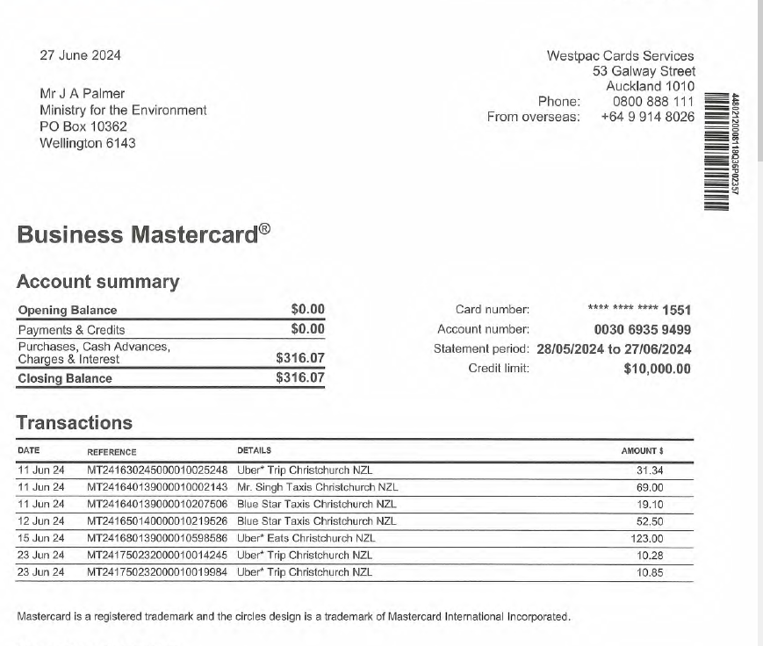
Subtotal | 9,070.15
Local Travel (within City, excluding travel to airport)
Date | Cost ($) (exc GST / inc GST)*** | Purpose (eg meeting with Minister) **** | Nature (eg taxi, parking, bus) |  | Period | natural account#

Sub total | 0.00

Total travel expenses | #REF!

Notes
* Headings on following tabs will pre populate with what you enter on this tab
** Group expenditure relating to each overseas trip
*** Delete what's inapplicable. Be consistent - all GST exclusive or all GST inclusive
**** Please include sufficient information to explain the trip and its costs including destination and duration.
Sub totals and totals will appear automatically once you put information in rows above.
Mark clearly if there is no information to disclose.

