Instructions
Background
This workbook is intended for use by waste disposal facility operators subject to the New Zealand Emissions Trading Scheme
It is adapted for facility use from the national greenhouse gas inventory facing IPCC first order decay model
For further information please email ETSconsulation@mfe.govt.nz

Scope
This model is intended only for disposal facilities as defined in the Climate Change Response Act 2002. Disposal facility means any facility, including a landfill;
 | (a) at which waste is disposed; and
 | (b) at which the waste disposed includes waste from a household that is not entirely from construction, renovation, or demolition of a house; and
 | (c) that operates, at least in part, as a business to dispose of waste; but
 | (d) does not include a facility, or any part of a facility, at which waste is combusted for the purpose of generating electricity or industrial heat
This model is for use by disposal facilities that do not have actual waste composition data. Please email ETSconsultation@mfe.govt.nz for a version with relevant cells unprotected if actual composition data is available.

Disclaimer and Limitation of Liability
This model is provided by the Ministry for the Environment ("the Ministry") to assist disposal facility operators in estimating gross methane emissions as part of the process for applying for a Unique Emissions Factor (UEF) under the New Zealand Emissions Trading Scheme.
Important Caveats:
The model is based on the First-Order Decay (FOD) method from the 2019 Refinement of the 2006 IPCC Guidelines for National Greenhouse Gas Inventories. Users should consult the IPCC documentation for further methodological detail.
The composition values used in this model align with those currently established in Schedule 3 of the Climate Change Response Act 2024 (see grey box below) and do not reflect the compositional values used in preparation of the greenhouse gas inventory.
Limitation of Liability:
This model is provided as a template only. Users are responsible for ensuring that all inputs, assumptions, and calculations are appropriate to their specific facility and circumstances.
Use of this model does not guarantee approval of a UEF application or acceptance of any estimates by the Environmental Protection Authority (EPA).
The Ministry makes no warranties or representations regarding the accuracy, completeness, or fitness for purpose of this model.
By using this model, the user accepts full responsibility for the accuracy of the data entered and any decisions made based on the outputs.
The Ministry for the Environment does not accept any responsibility or liability whatsoever whether in contract, tort, equity or otherwise for any action taken as a result of reading, or reliance placed on this model, or the Ministry for the Environment, because of any inadequacy, deficiency, flaw in or omission from the information provided in, or generated from, this model.

Instructions
All cells other than annual waste tonnage are locked and cannot be changed
Retrieve this year's version of this model from https://environment.govt.nz/what-government-is-doing/areas-of-work/climate-change/ets/participating-in-the-nz-ets.
Place annual waste tonnage figures in the Total MSW column of the Activity tab
The G value is then found in the Gross methane emissions column of the Results tab

 |  | Climate Change (Unique Emissions Factors) Amendment Regulations 2024 (SL 2024/202) Schedule 3 replaced – New Zealand Legislation
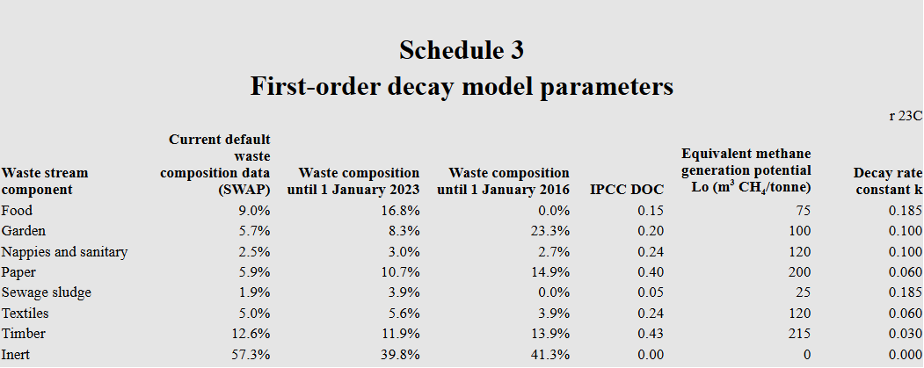
Version history
0.9 | Draft internal working document
1 | First release Nov 2025

 |  |  |  |  |  |  | DOC | k | DOCf
 |  | Food |  |  |  |  | 0.15 | 0.185 | 0.7
 |  | Garden |  |  |  |  | 0.2 | 0.1 | 0.7
 |  | Nappies |  |  |  |  | 0.24 | 0.1 | 0.5
 |  | Paper |  |  |  |  | 0.4 | 0.06 | 0.5
 |  | Sludge |  |  |  |  | 0.05 | 0.185 | 0.7
 |  | Textiles |  |  |  |  | 0.24 | 0.06 | 0.5
 |  | Timber |  |  |  |  | 0.43 | 0.03 | 0.1

 |  |  | MCF |  | 1
 |  |  | Fraction of methane in developed gas |  | 0.5 | https://www.ipcc-nggip.iges.or.jp/public/2019rf/pdf/5_Volume5/19R_V5_3_Ch03_SWDS.pdf
 |  |  | Molar mass ratio CH4:C |  | 1.3333333333
 |  |  |  | Process start month | 13

MfE staff: password for modification of this file is stored in sharepoint document ID ECM-1896812316-58173
https://ministryforenvironment.sharepoint.com/sites/ECM-Pol-ETS/_layouts/15/DocIdRedir.aspx?ID=ECM-1896812316-58173

